TRD_X
 |  |  |  |  |  | Requirement or Information | Milestone Iteration revision | REQ Status(Accepted/Rejected) | Task ID | Responsible | NOTES
DDL Tool
DLL_Generation_Requeriments.pdf

Written By:

APPROVED BY : |  | APPROVED BY :
REVISION HISTORY
Short Description | Version |  | Chapter | Modify on AAAA/MM/JJ | Modify By
First Revision of the requirements provided by the client. Workweek 36 | Rev 00 |  | - | 2018-09-07

TABLE OF CONTENTS
Table of Contents for the implementation of a DDL generator tool.
TRD-
1. DDL Tool Requirements ................................................................................................................................................. x
1.1. DDL Tool S/W Requirement .............................................................................................................................................................. x
1.1.1 System:
1.2 User Interface
1.2.1 Input Files
1.2.2 Output Files
1.2.2.1 DDL File
1 GENERAL Information
DDL – Diagnostic Data List. Information used by the customer in order to specify the Failure Words mapped to the projects.
1. DDL Tool Requirements ................................................................................................................................................. x |  |  |  |  |  | Information |  |  | 1
1.1. DDL Tool S/W Design Requirement .............................................................................................................................................................. x |  |  |  |  |  | Information |  |  | 2018-01-01
1.1.1 System: |  |  |  |  |  | Information |  |  | 1.1.1
Must run over Python 2.7 without any runtime error. |  |  |  |  |  | Requirement | Release 1 | Accepted | 1.1.1.1 | Diego Del Muro
The tool shall have instructions to install the required library dependencies. |  |  |  |  |  | Requirement | Release 3 | Accepted | 1.1.1.2 | Victor Green
The tool shall dump the output if an error happens during runtime. |  |  |  |  |  | Requirement | Release 2 | Accepted | 1.1.1.3 | Alejandro Galaviz
1.2 User Interface |  |  |  |  |  | Information |  |  | 2018-02-01
1.2.1 Input Files |  |  |  |  |  | Information |  |  | 1.2.1
It shall take the files provided by the customer: |  |  |  |  |  | Information |  |  | 1.2.1.1
DiagnosticDataList_#####.csv |  |  |  |  |  | Requirement | Release 1 | Accepted | 1.2.1.1.1 | Luis Pizarro
DTC_vs_TCManeuvers.csv |  |  |  |  |  | Requirement | Release 1 | Accepted | 1.2.1.1.2 | Luis Pizarro
SystemReleaseTable_combined.csv |  |  |  |  |  | Requirement | Release 1 | Accepted | 1.2.1.1.3 | Luis Pizarro
It needs to take the complete DiagnosticDataList file to save it. |  |  |  |  |  | Requirement | Release 1 | Accepted | 1.2.1.2 | Luis Pizarro
It needs to take the complete DTC_vs_TCManeuvers file to save it. |  |  |  |  |  | Requirement | Release 1 | Accepted | 1.2.1.3 | Luis Pizarro
It needs to take the complete SystemReleaseTable_combined file to save it. |  |  |  |  |  | Requirement | Release 1 | Accepted | 1.2.1.4 | Luis Pizarro
The tool shall support any length of the input files. |  |  |  |  |  | Requirement | Release 1 | Accepted | 1.2.1.5 | Luis Pizarro
The files could be in a generic folder and the user can specify the folder. |  |  |  |  |  | Requirement | Release 1 | Accepted | 1.2.1.6 | Luis Pizarro
1.2.2 Output Files |  |  |  |  |  | Information |  |  | 1.2.2
Two output files are required. |  |  |  |  |  | Information |  |  | 1.2.2.1
DDL file |  |  |  |  |  | Requirement | Release 1 | Accepted | 1.2.2.1.1
User guide file |  |  |  |  |  | Requirement | Release 3 | Accepted | 1.2.2.1.2 | Victor Green
The output shall be located in a new folder on the same path . |  |  |  |  |  | Requirement | Release 1 | Accepted | 1.2.2.2 | Rafael López
The folder shall be called as Customer_DLL. |  |  |  |  |  | Requirement | Release 1 | Accepted | 1.2.2.3 | Rafael López
1.2.2.1 DDL File |  |  |  |  |  | Information |  |  | 1.2.2.1
It shall be a .xslx file and will contain all the information specified on the input files |  |  |  |  |  | Requirement | Release 1 | Accepted | 1.2.2.1.1 | Rafael López
The output shall be called as Release_DDL_BL###.xls where the number shall be requested to the User to write the information. |  |  |  |  |  | Requirement | Release 2 | Accepted | 1.2.2.1.2 | Rafael López
The output file shall contain 6 sheets with the following names: Cover, DDL, SRT, DTC, Graph and Abbreviations. |  |  |  |  |  | Requirement | Release 1 | Accepted | 1.2.2.1.3 | Rafael López
The Cover sheet shall be left in blank. |  |  |  |  |  | Requirement | Release 1 | Accepted | 1.2.2.1.4 | Diego Del Muro
The DDL sheet shall be filled with all the information from the DiagnosticDataList File. |  |  |  |  |  | Requirement | Release 1 | Accepted | 1.2.2.1.5 | Diego Del Muro
The SRT sheet shall be filled with all the information from the SystemReleaseTable_combined File. |  |  |  |  |  | Requirement | Release 1 | Accepted | 1.2.2.1.6 | Diego Del Muro
The DTC sheet shall be filled with all the information from the DTC_vs_TCManeuvers File. |  |  |  |  |  | Requirement | Release 1 | Accepted | 1.2.2.1.7 | Alejandro Galaviz
The Graph sheet shall be left in blank. |  |  |  |  |  | Requirement | Release 1 | Accepted | 1.2.2.1.8 | Alejandro Galaviz
The Abbreviations sheet shall be filled with the table showed in the DLL_Generation_Requeriments.pdf file. |  |  |  |  |  | Requirement | Release 1 | Accepted | 1.2.2.1.9 | Alejandro Galaviz
1.2.2.2 User Guide File |  |  |  |  |  | Information |  |  | 1.2.2.2
The user guide shall be in .pdf file. |  |  |  |  |  | Requirement | Release 3 | Accepted | 1.2.2.2.1 | Victor Green
The user guide shall include the information about how to install the dependencies of the python libraries. |  |  |  |  |  | Requirement | Release 3 | Accepted | 1.2.2.2.2 | Victor Green
The user guide shall include the architecture of the implementation. |  |  |  |  |  | Requirement | Release 3 | Accepted | 1.2.2.2.3 | Victor Green
The user guide shall inslude the instruction of how to change the output name. |  |  |  |  |  | Requirement | Release 3 | Accepted | 1.2.2.2.4 | Victor Green
The user guide shall include instructions on how to change the input folder's location and name. |  |  |  |  |  | Requirement | Release 3 | Accepted | 1.2.2.2.5 | Victor Green
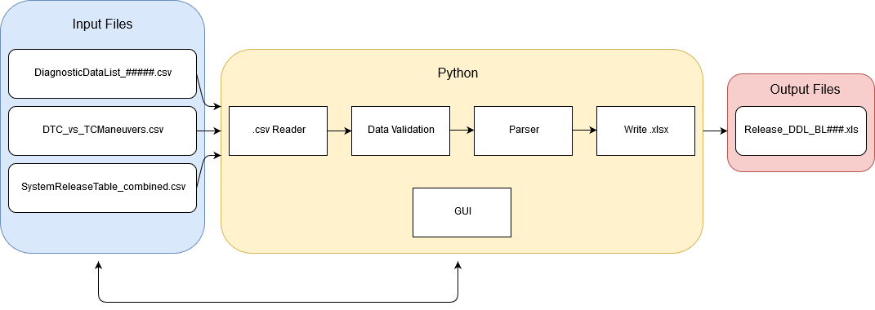 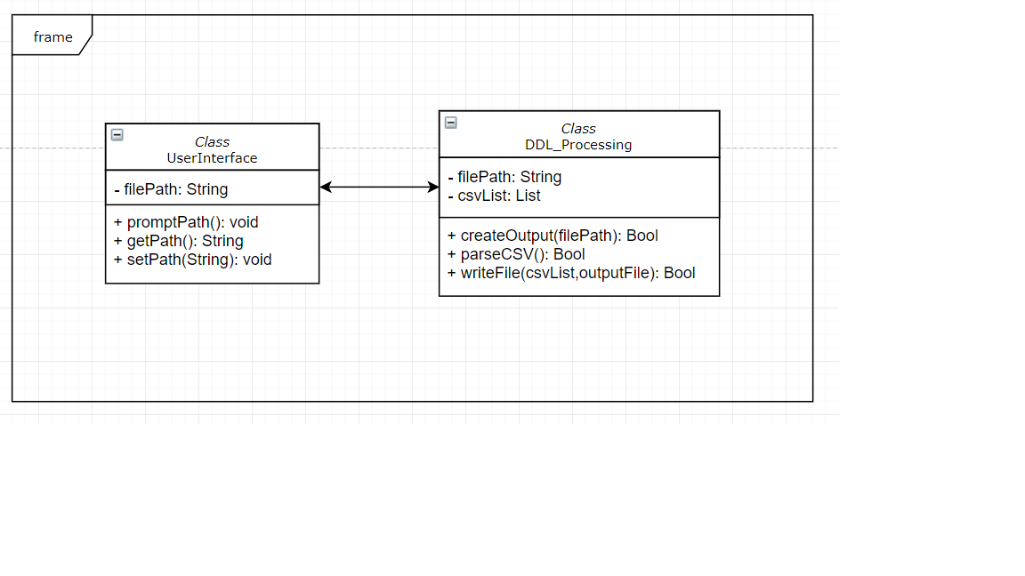 Diagram

TABLE X

APPENDIX

